波段
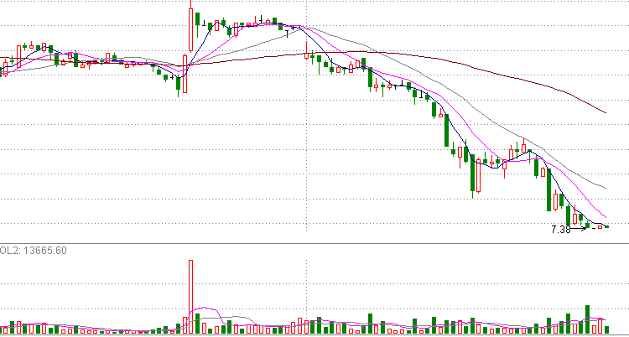
2016-06-25 | 13:30和13：35成交量7w手，成交额6000w元。
2016-06-26 | 今天大盘暴跌6%,600399跌停，全天5分钟线只有一个超过2w手的。25日的7w手是为了今天的打压.
2016-06-27
2016-06-28
2016-06-29
2016-06-30
2016-07-01
2016-07-02
2016-07-03
2016-07-04
2016-07-05
2016-07-06
2016-07-07
2016-07-08
2016-07-09
2016-07-10
2016-07-11
2016-07-12
2016-07-13
2016-07-14
2016-07-15
2016-07-16
2016-07-17
2016-07-18
2016-07-19
2016-07-20
2016-07-21
2016-07-22
2016-07-23
2016-07-24

600399 波段第一节点
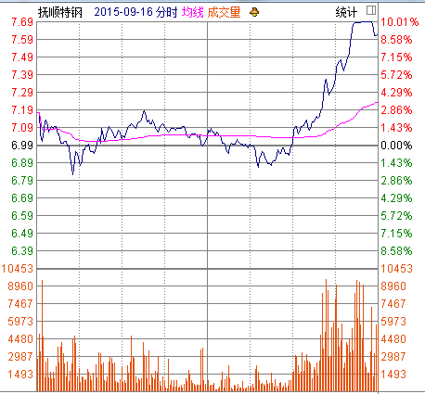
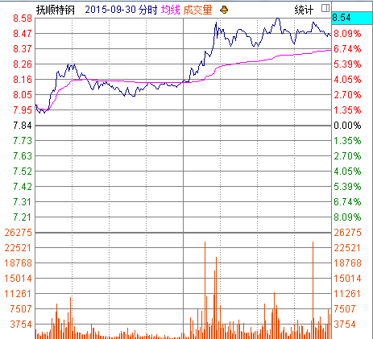
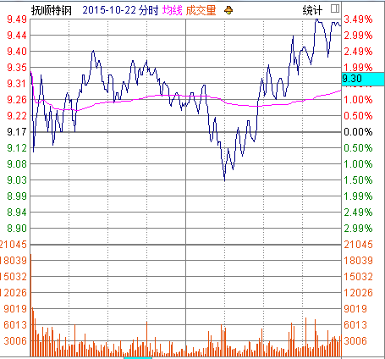

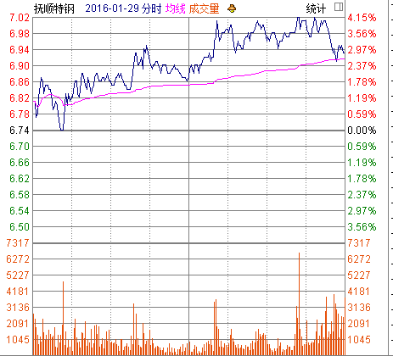
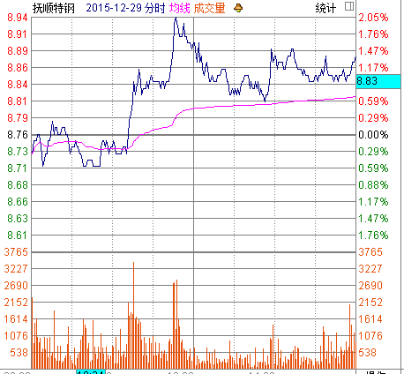
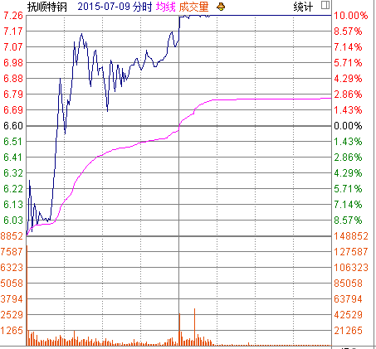

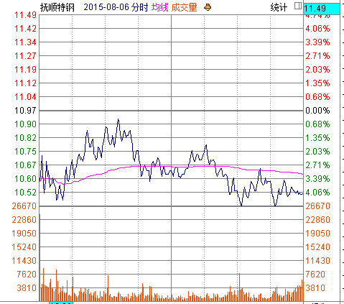

5分钟线
